Productivity Rate Calculator
HOW TO USE THE PRODUCTIVITY RATE CALCULATOR:
1. To calculate the benchmark indicator for any washroom, key in the "Quantity" of items and sqm of the toilet.
2. To compare the cleaner's productivity rate with the benchmark, key in the "Cleaning Time by Cleaner". The difference with the benchmark is auotmatically calculated.
3. To see a calculated example, please refer to the next sheet.
Productivity Indicator for Washroom Cleaning
Washroom Cleaning Productivity Indicator
Item | Description | Benchmarking Indicator (time taken/unit) (sec) | Quantity |  | Cleaning Benchmark Time (sec) | Cleaning Time by Cleaner (sec) | Difference against Benchmark (%)

 | Pre/ Post Inspection | 10.2 | 0 | item(s) total quantity of toilet bowls, urinals and wash basins | 0.0 | 0.0 | 0.0%
 | Work Preparation | 13.8 | 0 | item(s) total quantity of toilet bowls, urinals and wash basins | 0.0 | 0.0 | 0.0%
 | Travelling Time | 9.1 | 0 | sqm total floor area | 0.0 | 0.0 | 0.0%
 | Replenish Consumables | 30.8 | 0 | item(s) | 0.0 | 0.0 | 0.0%
 | Toilet Bowls | 74.0 | 0 | item(s) | 0.0 | 0.0 | 0.0%
 | Urinals | 37.4 | 0 | item(s) | 0.0 | 0.0 | 0.0%
 | Walls of cubicles & urinals | 12.2 | 0 | sqm | 0.0 | 0.0 | 0.0%
 | Wash Basin | 31.7 | 0 | item(s) | 0.0 | 0.0 | 0.0%
 | Fixtures | 18.4 | 0 | item(s) | 0.0 | 0.0 | 0.0%
 | Bins | 66.5 | 0 | item(s) | 0.0 | 0.0 | 0.0%
 | Floor area | 11.3 | 0 | sqm | 0.0 | 0.0 | 0.0%

Benchmark time is (h:mm:ss): |  |  |  |  | 0:00:00
Your time is (h:mm:ss): |  |  |  |  | 0:00:00
Productivity Rate of Cleaner Against Benchmark (%) |  |  |  |  | 0.0%

Legend:
 | Productivity rate in Green colour text signify that the Cleaner is more productive.
 | Productivity rate in Red colour text signify that the Cleaner is less productive.

 |  |  |  |  |  | version 2 dated 29092014

Calculated example
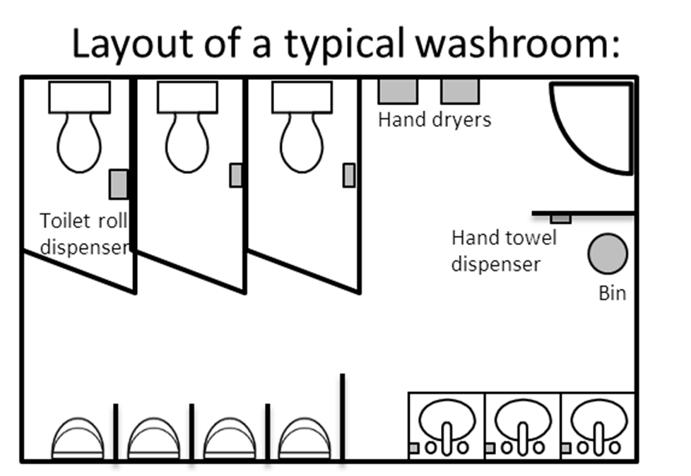
HOW TO USE THE PRODUCTIVITY RATE CALCULATOR:
1. To calculate the benchmark indicator for any washroom, key in the "Quantity" of items and sqm of the toilet.
2. To compare the cleaner's productivity rate with the benchmark, key in the "Cleaning Time by Cleaner". The difference with the benchmark is auotmatically calculated.
3. To see the list of items to be included under each category, move the cursor to the data field box.
*this example has been calculated based on the washroom layout on the right
Productivity Indicator for Washroom Cleaning
t
Item | Description | Benchmarking Indicator (time taken/unit) (sec) | Quantity |  | Cleaning Benchmark Time (sec) | Cleaning Time by Cleaner (sec) | Difference against Benchmark (%)

 | Pre/ Post Inspection | 10.2 | 10 | item(s) total quantity of toilet bowls, urinals and wash basins | 102.0 | 111.0 | -8.8%
 | Work Preparation | 13.8 | 10 | item(s) total quantity of toilet bowls, urinals and wash basins | 138.0 | 145.0 | -5.1%
 | Travelling Time | 9.1 | 25 | sqm total floor area | 227.5 | 212.0 | 6.8%
 | Replenish Consumables | 30.8 | 7 | item(s) | 215.6 | 198.0 | 8.2%
 | Toilet Bowls | 74.0 | 3 | item(s) | 222.0 | 190.0 | 14.4%
 | Urinals | 37.4 | 4 | item(s) | 149.6 | 170.0 | -13.6%
 | Walls of cubicles & urinals | 12.2 | 48 | sqm | 585.6 | 512.0 | 12.6%
 | Wash Basin | 31.7 | 3 | item(s) | 95.1 | 80.0 | 15.9%
 | Fixtures | 18.4 | 9 | item(s) | 165.6 | 151.0 | 8.8%
 | Bins | 66.5 | 1 | item(s) | 66.5 | 60.0 | 9.8%
 | Floor area | 11.3 | 25 | sqm | 282.5 | 232.0 | 17.9%

Benchmark time is (h:mm:ss): |  |  |  |  | 0:37:30
Your time is (h:mm:ss): |  |  |  |  | 0:34:21
Productivity Rate of Cleaner Against Benchmark (%) |  |  |  |  | 8.4%
 |  |  |  |  | more productive

Legend:
 | Productivity rate in Green colour text signify that the Cleaner is more productive.
 | Productivity rate in Red colour text signify that the Cleaner is less productive.

 |  |  |  |  |  | version 3 dated 03032015

